Inductances
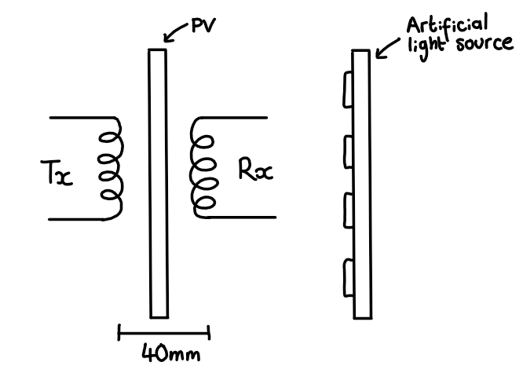
Measure the coil inductances, coupling coefficient, resistances using Bode Analyzer for each configuration
 |  |  |  |  |  |  | 95kHz | C - 90nF | 120kHz | C - 55nF
Coil Position 1
 | **take pictures of capacitor boards for the different frequencies and of coils in different positions

 | L_1 [uH] | L_2 [uH] | Mutual L_1 [uH] | k_1 | R_1 [Ω]
 | 30.706 | 30.445 | 10.93525 | 0.35765072049 | 51.223

 | 75kHz | 146nF
 | 95kHz | 91nF
 | 120kHz | 57nF

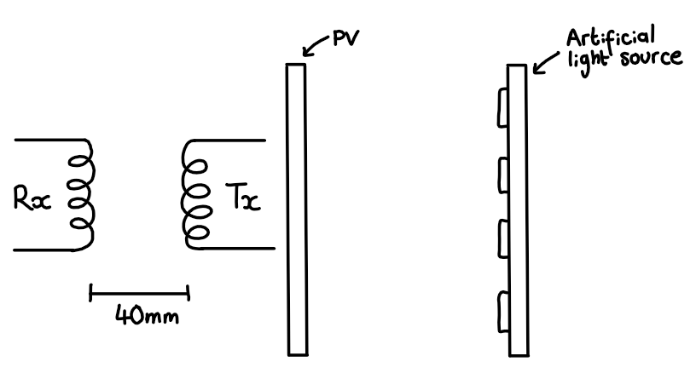
Coil Position 2

 | Transmitter | Receiver
 | L_1 [uH] | L_2 [uH] | Mutual L_2 [uH] | k_2 | R_2 [mΩ]
 | 31.048 | 28.321 | 9.509 | 0.32067399368 | 103

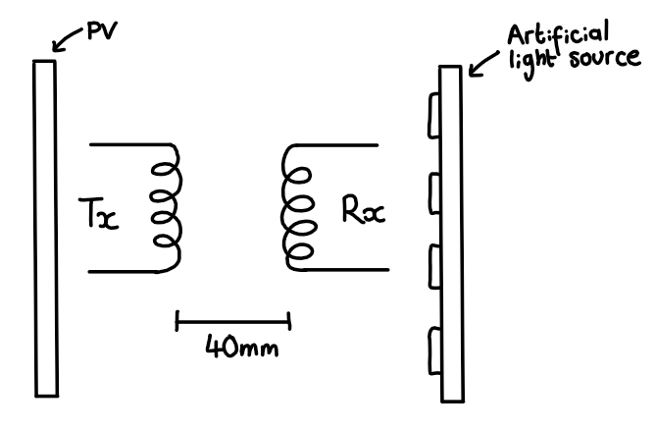
Coil Position 3

 | L_1 [uH] | L_2 [uH] | Mutual L_3 [uH] | k_3 | R_3 [Ω]
 | 30.608 | 30.361 | 9.9535 | 0.32651287317 | 102

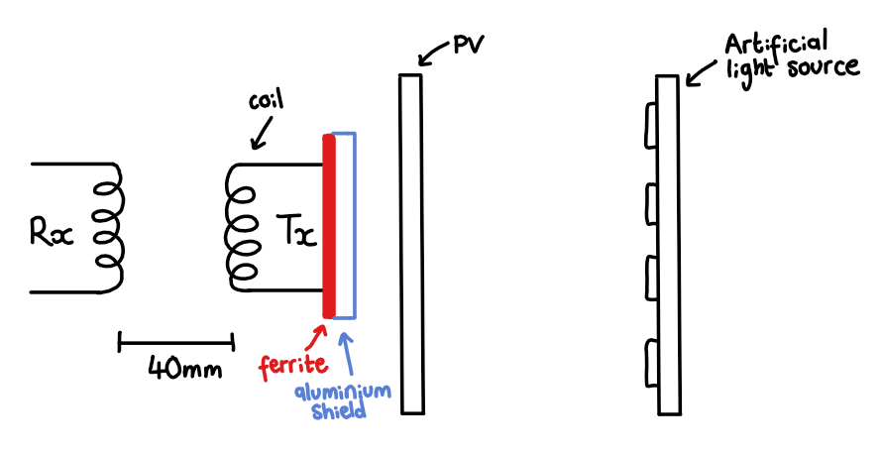
Coil Position 4

 | L_1 [uH] | L_2 [uH] | Mutual L_4 [uH] | k_4 | R_4 [mΩ] | resistance of coil
 | 30.012 | 30.622 | 9.0335 | 0.29798321664 | 102

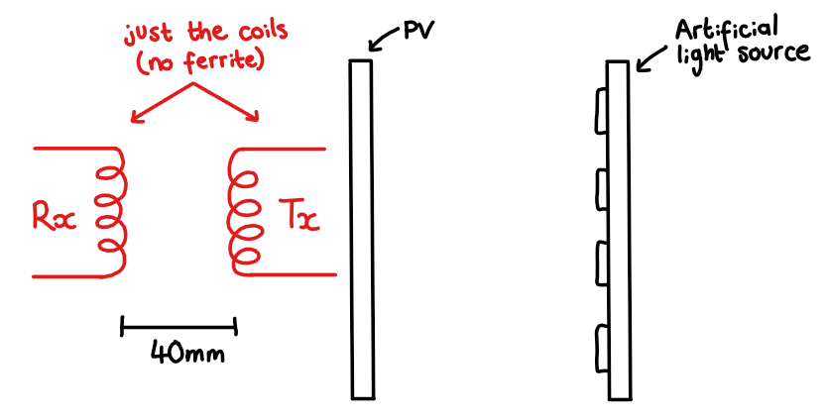
Coil Position 5

 | Transmitter | Receiver
 | L_1 [uH] | L_2 [uH] | Mutual L_5 [uH] | k_5 | R_5 [mΩ]
 | 16.523 | 16.626 | 6.0765 | 0.36661916397 | 95.367

 | 75kHz | 278nF
 | 95kHz | 169nF
 | 120kHz | 106nF

Baseline (PV)
Solar Panel
 | IV Curve |  | PV Curve
0 | 1.8 | 0 | 0
11.03 | 1.08 | 11.03 | 11.91
22.01 | 1.07 | 22.01 | 23.55
34.2 | 1.08 | 34.2 | 36.94
43.4 | 1.01 | 43.4 | 43.83
45.8 | 0.857 | 45.8 | 39.25
46.7 | 0.732 | 46.7 | 34.18
 |  | 47.88 | 0
SOLAR PANEL (WITHOUT COILS - RESISTOR BANK)
Load Resistance [Ω] | V_pv [V] | I_pv [A] | P_pv [W] : P=VI
0 | 0 | 1.8 | 0
10 | 11.03 | 1.08 | 11.91
20 | 22.01 | 1.07 | 23.55
30 | 34.2 | 1.08 | 36.94
40 | 43.4 | 1.01 | 43.83 | MPP
50 | 45.8 | 0.857 | 39.25
60 | 46.7 | 0.732 | 34.18
 | 47.88 |  | 0

Light Source | at 200
SOLAR PANEL (WITHOUT COILS)
Load Resistance [Ω] | V_pv [V] | I_pv [A] | P_pv [W] : P=VI |  | Temp
0 | 0 | 0.958 | 0
20 | 17.954 | 0.908 | 16.302232 |  | 48
40 | 36.035 | 0.903 | 32.539605
60 | 42.747 | 0.7113 | 30.4059411
80 | 44.144 | 0.5509 | 24.3189296
100 | 44.788 | 0.4471 | 20.0247148
120 | 45.162 | 0.3755 | 16.958331
140 | 45.393 | 0.3233 | 14.6755569
160 | 45.548 | 0.2838 | 12.9265224
180 | 45.607 | 0.2524 | 11.5112068
200 | 45.671 | 0.2275 | 10.3901525
300 | 45.866 | 0.1521 | 6.9762186
400 | 46.057 | 0.1144 | 5.2689208
500 | 46.062 | 0.0913 | 4.2054606
 | 47.233 | 0 | 0

Baseline (Coils)
COILS (ACTIVE WITHOUT SOLAR PANEL) |  |  | 76 and 36 PWM |  |  | 10W @ 75kHz |  |  |  |  |  |  |  |  |  |  |  |  |  |  |  | 10W @ 95kHz |  |  |  |  |  |  |  |  |  |  |  |  |  |  |  | 10W @ 120kHz
Load Resistance [Ω] | V_coil(in) [V] | I_coil(in) [A] | P_coil(in) [W] : P=VI | V_coil(out) [V] | I_coil(out) [A] | P_coil(out) [W] : P=VI | Scope | V_ac (in) [V] | I_ac [A] | P_ac [W] : P=VI | V_ac (out) [V] | I_ac [A] | P_ac [W] : P=VI | Phase | Frequency | Load Resistance [Ω] | V_coil(in) [V] | I_coil(in) [A] | P_coil(in) [W] : P=VI | V_coil(out) [V] | I_coil(out) [A] | P_coil(out) [W] : P=VI | Scope | V_ac (in) [V] | I_ac [A] | P_ac [W] : P=VI | V_ac (out) [V] | I_ac [A] | P_ac [W] : P=VI | Phase | Frequency | Load Resistance [Ω] | V_coil(in) [V] | I_coil(in) [A] | P_coil(in) [W] : P=VI | V_coil(out) [V] | I_coil(out) [A] | P_coil(out) [W] : P=VI | Scope | V_ac (in) [V] | I_ac [A] | P_ac [W] : P=VI | V_ac (out) [V] | I_ac [A] | P_ac [W] : P=VI | Phase | Frequency
0 |  |  |  |  |  |  |  |  |  |  |  |  |  |  |  | 0 |  |  |  |  |  |  |  |  |  |  |  |  |  | -1 |  | 0
2 | 15.266 | 1.05 | 16.0293 | 4.473 | 2.236 | 10.001628 |  | 14.69 | 0.971 | 14.26399 | 3.46 | 2.5 | 8.65 | -1 | 74.5 | 2 | 19.184 | 0.82 | 15.73088 | 4.474 | 2.236 | 10.003864 |  | 19.08 | 0.778 | 14.84424 | 3.55 | 2.5 | 8.875 | -1 | 95 | 2 | 23.902 | 0.66 | 15.77532 | 4.471 | 2.235 | 9.992685 |  | 23.73 | 0.642 | 15.23466 | 3.61 | 2.49 | 8.9889 |  | 120.8
4 | 11.005 | 1.29 | 14.19645 | 6.329 | 1.581 | 10.006149 |  | 10.54 | 1.175 | 12.3845 | 4.29 | 1.78 | 7.6362 | -1 | 74.5 | 4 | 13.82 | 1.01 | 13.9582 | 6.367 | 1.591 | 10.129897 |  | 13.48 | 0.931 | 12.54988 | 4.39 | 1.79 | 7.8581 | -1 | 94.2 | 4 | 17.135 | 0.8 | 13.708 | 6.328 | 1.581 | 10.004568 |  | 16.95 | 0.752 | 12.7464 | 4.39 | 1.78 | 7.8142 |  | 120.919
6 | 9.271 | 1.48 | 13.72108 | 7.755 | 1.291 | 10.011705 |  | 8.68 | 1.35 | 11.718 | 5.06 | 1.46 | 7.3876 | -1 | 75.9 | 6 | 11.464 | 1.16 | 13.29824 | 7.781 | 1.296 | 10.084176 |  | 11.1 | 1.06 | 11.766 | 5.07 | 1.47 | 7.4529 | -1 | 94 | 6 | 14.172 | 0.91 | 12.89652 | 7.751 | 1.291 | 10.006541 |  | 13.79 | 0.853 | 11.76287 | 5.07 | 1.45 | 7.3515 |  | 121.5
8 | 8.3 | 1.65 | 13.695 | 8.98 | 1.122 | 10.07556 |  | 7.57 | 1.51 | 11.4307 | 5.67 | 1.28 | 7.2576 | -1 | 75.9 | 8 | 10.199 | 1.27 | 12.95273 | 8.952 | 1.118 | 10.008336 |  | 9.72 | 1.16 | 11.2752 | 5.64 | 1.27 | 7.1628 | -1 | 97 | 8 | 12.438 | 1.01 | 12.56238 | 8.95 | 1.118 | 10.0061 |  | 12.07 | 0.941 | 11.35787 | 5.64 | 1.267 | 7.14588 |  | 121.5
10 | 7.604 | 1.79 | 13.61116 | 10.001 | 0.999 | 9.990999 |  | 6.71 | 1.64 | 11.0044 | 6.17 | 1.14 | 7.0338 | -1 | 75.8 | 10 | 9.318 | 1.39 | 12.95202 | 10.006 | 0.999 | 9.995994 |  | 8.73 | 1.27 | 11.0871 | 6.14 | 1.14 | 6.9996 | -1 | 97 | 10 | 11.217 | 1.11 | 12.45087 | 10.008 | 1 | 10.008 |  | 10.82 | 1.029 | 11.13378 | 6.16 | 1.136 | 6.99776 |  | 120.2
12 | 7.182 | 1.92 | 13.78944 | 10.983 | 0.914 | 10.038462 |  | 6.215 | 1.76 | 10.9384 | 6.58 | 1.05 | 6.909 | -1 | 75.8 | 12 | 8.658 | 1.49 | 12.90042 | 10.961 | 0.912 | 9.996432 |  | 7.97 | 1.37 | 10.9189 | 6.63 | 1.05 | 6.9615 | -1 | 96.5 | 12 | 10.37 | 1.19 | 12.3403 | 10.959 | 0.913 | 10.005567 |  | 9.93 | 1.11 | 11.0223 | 6.69 | 1.04 | 6.9576 |  | 120.2
14 | 6.839 | 2.05 | 14.01995 | 11.842 | 0.845 | 10.00649 |  | 5.81 | 1.88 | 10.9228 | 7.01 | 0.984 | 6.89784 | -1 | 75.8 | 14 | 8.17 | 1.59 | 12.9903 | 11.836 | 0.844 | 9.989584 |  | 7.41 | 1.46 | 10.8186 | 7.05 | 0.978 | 6.8949 | -1 | 96.5
16 | 6.56 | 2.17 | 14.2352 | 12.647 | 0.789 | 9.978483 |  | 5.47 | 1.98 | 10.8306 | 7.41 | 0.925 | 6.85425 | -1 | 75.7 | 16 | 7.779 | 1.68 | 13.06872 | 12.656 | 0.79 | 9.99824 |  | 6.88 | 1.54 | 10.5952 | 7.47 | 0.961 | 7.17867 | -1 | 96.5
18 | 6.335 | 2.28 | 14.4438 | 13.432 | 0.745 | 10.00684 |  | 5.18 | 2.09 | 10.8262 | 7.82 | 0.88 | 6.8816 | -1 | 75.4 | 18 | 7.476 | 1.76 | 13.15776 | 13.424 | 0.745 | 10.00088 |  | 6.55 | 1.62 | 10.611 | 7.87 | 0.868 | 6.83116 | -1 | 96.8
20 | 6.116 | 2.39 | 14.61724 | 14.132 | 0.705 | 9.96306 |  | 4.95 | 2.19 | 10.8405 | 8.17 | 0.841 | 6.87097 | -1 | 75.4 | 20 | 7.211 | 1.85 | 13.34035 | 14.162 | 0.707 | 10.012534 |  | 6.24 | 1.7 | 10.608 | 8.25 | 0.813 | 6.70725 | -1 | 96.5
Coils (DC Input)
Coils (DC Output)
Coils (AC Input)
Coils (AC Output)

COILS (ACTIVE WITHOUT SOLAR PANEL) |  |  |  |  |  | 20W @ 75kHz |  |  |  |  |  |  |  |  |  |  |  |  |  |  |  | 20W @ 95kHz |  |  |  |  |  |  |  |  |  |  |  |  |  |  |  | 20W @ 120kHz
Load Resistance [Ω] | V_coil(in) [V] | I_coil(in) [A] | P_coil(in) [W] : P=VI | V_coil(out) [V] | I_coil(out) [A] | P_coil(out) [W] : P=VI | Scope | V_ac (in) [V] | I_ac [A] | P_ac [W] : P=VI | V_ac (out) [V] | I_ac [A] | P_ac [W] : P=VI | Phase | Frequency | Load Resistance [Ω] | V_coil(in) [V] | I_coil(in) [A] | P_coil(in) [W] : P=VI | V_coil(out) [V] | I_coil(out) [A] | P_coil(out) [W] : P=VI | Scope | V_ac (in) [V] | I_ac [A] | P_ac [W] : P=VI | V_ac (out) [V] | I_ac [A] | P_ac [W] : P=VI | Phase | Frequency | Load Resistance [Ω] | V_coil(in) [V] | I_coil(in) [A] | P_coil(in) [W] : P=VI | V_coil(out) [V] | I_coil(out) [A] | P_coil(out) [W] : P=VI | Scope | V_ac (in) [V] | I_ac [A] | P_ac [W] : P=VI | V_ac (out) [V] | I_ac [A] | P_ac [W] : P=VI | Phase | Frequency
0 |  |  |  |  |  |  |  |  |  |  |  |  |  |  |  | 0 |  |  |  |  |  |  |  |  |  |  |  |  |  | -1 |  | 0
2 | 21.352 | 1.39 | 29.67928 | 6.324 | 3.161 | 19.990164 |  | 20.84 | 1.29 | 26.8836 | 4.57 | 3.54 | 16.1778 | -1 | 74.5 | 2 | 27.185 | 1.09 | 29.63165 | 6.328 | 3.164 | 20.021792 |  | 26.85 | 1.027 | 27.57495 | 4.66 | 3.527 | 16.43582 | -1 | 95 | 2 | 33.866 | 0.88 | 29.80208 | 6.325 | 3.162 | 19.99965 |  | 33.47 | 0.851 | 28.48297 | 4.75 | 3.51 | 16.6725 |  | 120.8
4 | 15.621 | 1.73 | 27.02433 | 8.951 | 2.24 | 20.05024 |  | 14.8 | 1.59 | 23.532 | 5.77 | 2.5 | 14.425 | -1 | 74.3 | 4 | 19.468 | 1.35 | 26.2818 | 8.944 | 2.235 | 19.98984 |  | 18.86 | 1.24 | 23.3864 | 5.83 | 2.5 | 14.575 | -1 | 94.2 | 4 | 24.264 | 1.08 | 26.20512 | 8.944 | 2.235 | 19.98984 |  | 23.81 | 1.008 | 24.00048 | 5.87 | 2.41 | 14.1467 |  | 120.919
6 | 13.013 | 2.04 | 26.54652 | 10.959 | 1.825 | 20.000175 |  | 11.98 | 1.87 | 22.4026 | 6.75 | 2.06 | 13.905 | -1 | 79 | 6 | 16.04 | 1.59 | 25.5036 | 10.967 | 1.827 | 20.036709 |  | 15.31 | 1.45 | 22.1995 | 6.81 | 2.05 | 13.9605 | -1 | 93 | 6 | 20.083 | 1.24 | 24.90292 | 10.957 | 1.825 | 19.996525 |  | 19.6 | 1.154 | 22.6184 | 6.82 | 1.045 | 7.1269 |  | 121.5
8 | 11.818 | 2.24 | 26.47232 | 12.675 | 1.584 | 20.0772 |  | 10.73 | 2.05 | 21.9965 | 7.6 | 1.79 | 13.604 | -1 | 75.61 | 8 | 14.466 | 1.74 | 25.17084 | 12.652 | 1.581 | 20.002812 |  | 13.66 | 1.59 | 21.7194 | 7.64 | 1.78 | 13.5992 | -1 | 97 | 8 | 17.638 | 1.38 | 24.34044 | 12.653 | 1.581 | 20.004393 |  | 16.97 | 1.28 | 21.7216 | 7.65 | 1.77 | 13.5405 |  | 121.5
10 | 10.86 | 2.45 | 26.607 | 14.129 | 1.412 | 19.950148 |  | 9.65 | 2.25 | 21.7125 | 8.33 | 1.6 | 13.328 | -1 | 75.6 | 10 | 13.225 | 1.9 | 25.1275 | 14.147 | 1.414 | 20.003858 |  | 12.27 | 1.74 | 21.3498 | 8.39 | 1.6 | 13.424 | -1 | 97 | 10 | 15.917 | 1.52 | 24.19384 | 14.147 | 1.414 | 20.003858 |  | 15.17 | 1.41 | 21.3897 | 8.4 | 1.59 | 13.356 |  | 120.2
12 | 10.225 | 2.64 | 26.994 | 15.51 | 1.29 | 20.0079 |  | 8.89 | 2.43 | 21.6027 | 9.03 | 1.48 | 13.3644 | -1 | 75.55 | 12 | 12.305 | 2.05 | 25.22525 | 15.499 | 1.291 | 20.009209 |  | 11.27 | 1.88 | 21.1876 | 9.06 | 1.46 | 13.2276 | -1 | 96.5 | 12 | 14.722 | 1.64 | 24.14408 | 15.494 | 1.291 | 20.002754 |  | 13.92 | 1.52 | 21.1584 | 9.14 | 1.45 | 13.253 |  | 120.2
14 | 9.706 | 2.83 | 27.46798 | 16.755 | 1.192 | 19.97196 |  | 8.11 | 2.58 | 20.9238 | 9.61 | 1.37 | 13.1657 | -1 | 75.55 | 14 | 11.609 | 2.19 | 25.42371 | 16.735 | 1.195 | 19.998325 |  | 10.51 | 2.01 | 21.1251 | 9.67 | 1.36 | 13.1512 | -1 | 96.5
16 | 9.308 | 3 | 27.924 | 17.909 | 1.119 | 20.040171 |  | 7.68 | 2.75 | 21.12 | 10.17 | 1.29 | 13.1193 | -1 | 75.55 | 16 | 11.062 | 2.31 | 25.55322 | 17.9 | 1.118 | 20.0122 |  | 9.68 | 2.13 | 20.6184 | 10.25 | 1.28 | 13.12 | -1 | 96.5
18 | 8.978 | 3.15 | 28.2807 | 18.967 | 1.052 | 19.953284 |  | 7.27 | 2.89 | 21.0103 | 10.69 | 1.23 | 13.1487 | -1 | 75.4 | 18 | 10.618 | 2.44 | 25.90792 | 18.986 | 1.054 | 20.011244 |  | 9.37 | 2.24 | 20.9888 | 10.86 | 1.21 | 13.1406 | -1 | 96.5
20 | 8.752 | 3.31 | 28.96912 | 20.011 | 0.999 | 19.990989 |  | 6.95 | 3.02 | 20.989 | 11.19 | 1.18 | 13.2042 | -1 | 75.4 | 20 | 10.255 | 2.55 | 26.15025 | 20.015 | 1 | 20.015 |  | 8.94 | 2.34 | 20.9196 | 11.37 | 1.15 | 13.0755 | -1 | 96.5

COILS (ACTIVE WITHOUT SOLAR PANEL) |  |  |  |  |  | 30W @ 75kHz |  |  |  |  |  |  |  |  |  |  |  |  |  |  |  | 30W @ 95kHz |  |  |  |  |  |  |  |  |  |  |  |  |  |  |  | 30W @ 120kHz
Load Resistance [Ω] | V_coil(in) [V] | I_coil(in) [A] | P_coil(in) [W] : P=VI | V_coil(out) [V] | I_coil(out) [A] | P_coil(out) [W] : P=VI | Scope | V_ac (in) [V] | I_ac [A] | P_ac [W] : P=VI | V_ac (out) [V] | I_ac [A] | P_ac [W] : P=VI | Phase | Frequency | Load Resistance [Ω] | V_coil(in) [V] | I_coil(in) [A] | P_coil(in) [W] : P=VI | V_coil(out) [V] | I_coil(out) [A] | P_coil(out) [W] : P=VI | Scope | V_ac (in) [V] | I_ac [A] | P_ac [W] : P=VI | V_ac (out) [V] | I_ac [A] | P_ac [W] : P=VI | Phase | Frequency | Load Resistance [Ω] | V_coil(in) [V] | I_coil(in) [A] | P_coil(in) [W] : P=VI | V_coil(out) [V] | I_coil(out) [A] | P_coil(out) [W] : P=VI | Scope | V_ac (in) [V] | I_ac [A] | P_ac [W] : P=VI | V_ac (out) [V] | I_ac [A] | P_ac [W] : P=VI | Phase | Frequency
0 |  |  |  |  |  |  |  |  |  |  |  |  |  |  |  | 0 |  |  |  |  |  |  |  |  |  |  |  |  |  | -1 |  | 0
2 | 26.171 | 1.64 | 42.92044 | 7.745 | 3.872 | 29.98864 |  | 25.38 | 1.53 | 38.8314 | 5.41 | 4.32 | 23.3712 | -1 | 74.45 | 2 | 33.305 | 1.29 | 42.96345 | 7.746 | 3.872 | 29.992512 |  | 32.78 | 1.23 | 40.3194 | 5.5 | 4.32 | 23.76 | -1 | 95 | 2 | 41.522 | 1.04 | 43.18288 | 7.747 | 3.873 | 30.004131 |  | 14.98 | 1.02 | 15.2796 | 5.61 | 4.31 | 24.1791 |  | 120.919
4 | 18.816 | 2.1 | 39.5136 | 10.951 | 2.737 | 29.972887 |  | 17.78 | 1.92 | 34.1376 | 6.87 | 3.07 | 21.0909 | -1 | 73 | 4 | 23.954 | 1.61 | 38.56594 | 10.957 | 2.738 | 30.000266 |  | 23.18 | 1.49 | 34.5382 | 6.94 | 3.05 | 21.167 | -1 | 94.5 | 4 | 29.738 | 1.29 | 38.36202 | 10.958 | 2.739 | 30.013962 |  | 29.18 | 1.21 | 35.3078 | 6.995 | 3.04 | 21.2648 |  | 121.5
6 | 16.096 | 2.41 | 38.79136 | 13.427 | 2.237 | 30.036199 |  | 14.88 | 2.22 | 33.0336 | 8.09 | 2.51 | 20.3059 | -1 | 74 | 6 | 19.68 | 1.91 | 37.5888 | 13.409 | 2.234 | 29.955706 |  | 18.7 | 1.74 | 32.538 | 8.14 | 2.59 | 21.0826 | -1 | 93 | 6 | 24.621 | 1.49 | 36.68529 | 13.419 | 2.236 | 30.004884 |  | 23.9 | 1.38 | 32.982 | 8.18 | 2.49 | 20.3682 |  | 121.5
8 | 14.446 | 2.69 | 38.85974 | 15.501 | 1.937 | 30.025437 |  | 13.05 | 2.47 | 32.2335 | 9.1 | 2.17 | 19.747 | -1 | 76 | 8 | 17.771 | 2.09 | 37.14139 | 15.495 | 1.936 | 29.99832 |  | 16.75 | 1.93 | 32.3275 | 9.25 | 2.17 | 20.0725 | -1 | 97 | 8 | 21.63 | 1.67 | 36.1221 | 15.497 | 1.937 | 30.017689 |  | 20.75 | 1.54 | 31.955 | 9.18 | 3.16 | 29.0088 |  | 121.5
10 | 13.341 | 2.94 | 39.22254 | 17.33 | 1.732 | 30.01556 |  | 11.8 | 2.7 | 31.86 | 10.01 | 1.96 | 19.6196 | -1 | 76 | 10 | 16.236 | 2.29 | 37.18044 | 17.325 | 1.731 | 29.989575 |  | 14.97 | 2.1 | 31.437 | 10.07 | 1.95 | 19.6365 | -1 | 97.2 | 10 | 19.531 | 1.83 | 35.74173 | 17.326 | 1.731 | 29.991306 |  | 18.57 | 1.7 | 31.569 | 10.16 | 1.94 | 19.7104 |  | 120.2
12 | 12.532 | 3.18 | 39.85176 | 18.932 | 1.578 | 29.874696 |  | 10.81 | 2.91 | 31.4571 | 10.8 | 1.79 | 19.332 | -1 | 75.5 | 12 | 15.095 | 2.47 | 37.28465 | 18.975 | 1.58 | 29.9805 |  | 13.71 | 2.27 | 31.1217 | 10.88 | 1.789 | 19.46432 | -1 | 96.5 | 12 | 18.071 | 1.98 | 35.78058 | 18.975 | 1.581 | 29.999475 |  | 17.003 | 1.83 | 31.11549 | 10.96 | 1.71 | 18.7416 |  | 120.3
14 | 11.958 | 3.42 | 40.89636 | 20.531 | 1.462 | 30.016322 |  | 10.19 | 3.13 | 31.8947 | 11.55 | 1.67 | 19.2885 | -1 | 75.5 | 14 | 14.252 | 2.64 | 37.62528 | 20.497 | 1.463 | 29.987111 |  | 12.8 | 2.43 | 31.104 | 11.62 | 1.66 | 19.2892 | -1 | 96.5
16 | 11.49 | 3.63 | 41.7087 | 21.947 | 1.371 | 30.089337 |  | 9.56 | 3.33 | 31.8348 | 12.28 | 1.58 | 19.4024 | -1 | 75.5 | 16 | 13.598 | 2.81 | 38.21038 | 21.955 | 1.371 | 30.100305 |  | 12.05 | 2.53 | 30.4865 | 12.47 | 1.56 | 19.4532 | -1 | 96.4
18 | 11.093 | 3.82 | 42.37526 | 23.267 | 1.293 | 30.084231 |  | 9.08 | 3.51 | 31.8708 | 12.91 | 1.5 | 19.365 | -1 | 75.3 | 18 | 13.046 | 2.95 | 38.4857 | 23.25 | 1.291 | 30.01575 |  | 11.43 | 2.71 | 30.9753 | 13.13 | 1.48 | 19.4324 | -1 | 96.5
20 | 10.761 | 4 | 43.044 | 24.552 | 1.224 | 30.051648 |  | 8.67 | 3.71 | 32.1657 | 13.66 | 1.44 | 19.6704 | -1 | 75.4 | 20 | 12.597 | 3.09 | 38.92473 | 24.498 | 1.224 | 29.985552 |  | 10.91 | 2.84 | 30.9844 | 13.72 | 1.41 | 19.3452 | -1 | 96.5

T1
SOLAR PANEL (NO MAGNETIC FIELD)

Constant Temperature
Load Resistance [Ω] | Voltage | Current | P_pv [W] : P=VI | Temp. [°C] | Image
0 | 0 |  | 0
20 | 1.836 | 0.0911 | 0.1672596 | 56
40 | 3.627 | 0.0898 | 0.3257046
60 | 5.346 | 0.0884 | 0.4725864
80 | 7.043 | 0.0875 | 0.6162625
100 | 8.779 | 0.0871 | 0.7646509
120 | 10.508 | 0.0868 | 0.9120944 | 58
140 | 12.293 | 0.0861 | 1.0584273
160 | 13.935 | 0.0865 | 1.2053775
180 | 15.684 | 0.0863 | 1.3535292
200 | 17.315 | 0.0858 | 1.485627
220 | 18.956 | 0.0854 | 1.6188424
240 | 20.598 | 0.085 | 1.75083
260 | 22.237 | 0.0847 | 1.8834739
280 | 23.765 | 0.0844 | 2.005766
300 | 25.356 | 0.0838 | 2.1248328
320 | 26.944 | 0.0834 | 2.2471296
340 | 28.441 | 0.0829 | 2.3577589
360 | 29.874 | 0.0822 | 2.4556428
380 | 31.347 | 0.0817 | 2.5610499
400 | 32.71 | 0.081 | 2.64951
450 | 36.012 | 0.0791 | 2.8485492 | 61
500 | 39.532 | 0.0782 | 3.0914024
550 | 43.149 | 0.0777 | 3.3526773
600 | 44.004 | 0.0726 | 3.1946904
650 | 44.076 | 0.0671 | 2.9574996
700 | 44.119 | 0.0623 | 2.7486137
 | 45.422 | 0 | 0

T4
COILS (ACTIVE) | 10W @ 120kHz @ 2Ω
Load Resistance [Ω] | V_coil(in) [V] | I_coil(in) [A] | P_coil(in) [W] : P=VI | V_coil(out) [V] | I_coil(out) [A] | P_coil(out) [W] : P=VI | Scope | V_ac (in) [V] | I_ac [A] | P_ac [W] : P=VI | V_ac (out) [V] | I_ac [A] | P_ac [W] : P=VI | Phase | Frequency
 | 24.6 | 0.83 | 20.418 | 4.38 | 2.3053 | 10.097214 |  | 24.18 | 1.002 | 24.22836 | 8.13 | 2.46 | 19.9998 |  | 119.85

SOLAR PANEL (WITH ACTIVE COILS)
Constant Temperature
Load Resistance [Ω] | Voltage | Current | P_pv [W] : P=VI | Temp. [°C] | Image | B [T]
0 | 0 |  | 0
20 | 2.143 | 0.1071 | 0.2295153 | 70
40 | 4.245 | 0.1051 | 0.4461495
60 | 6.292 | 0.104 | 0.654368
80 | 8.291 | 0.1029 | 0.8531439
100 | 10.331 | 0.1026 | 1.0599606
120 | 12.373 | 0.1023 | 1.2657579
140 | 14.408 | 0.1022 | 1.4724976
160 | 16.336 | 0.1014 | 1.6564704
180 | 18.352 | 0.1011 | 1.8553872
200 | 20.223 | 0.1004 | 2.0303892
220 | 22.142 | 0.0999 | 2.2119858
240 | 24.032 | 0.0994 | 2.3887808
260 | 25.979 | 0.0991 | 2.5745189
280 | 27.767 | 0.0984 | 2.7322728
300 | 29.577 | 0.0978 | 2.8926306
320 | 31.253 | 0.0969 | 3.0284157
340 | 33.046 | 0.0964 | 3.1856344
360 | 34.668 | 0.0956 | 3.3142608
380 | 36.266 | 0.0949 | 3.4416434
400 | 38.151 | 0.0947 | 3.6128997
450 | 42.238 | 0.0931 | 3.9323578
500 | 42.869 | 0.085 | 3.643865
550 | 43.101 | 0.0776 | 3.3446376
600 | 43.265 | 0.0713 | 3.0847945
650 | 43.369 | 0.066 | 2.862354
700 | 43.454 | 0.0612 | 2.6593848
 | 44.148 | 0 | 0

T7
COILS (ACTIVE) | 20W @ 120kHz @ 2Ω
Load Resistance [Ω] | V_coil(in) [V] | I_coil(in) [A] | P_coil(in) [W] : P=VI | V_coil(out) [V] | I_coil(out) [A] | P_coil(out) [W] : P=VI | Scope | V_ac (in) [V] | I_ac [A] | P_ac [W] : P=VI | V_ac (out) [V] | I_ac [A] | P_ac [W] : P=VI | Phase | Frequency
2 | 37.3 | 1.5 | 55.95 | 6.19 | 3.2456 | 20.090264 |  | 36.34 | 1.75 | 63.595 | 10.77 | 3.51 | 37.8027 |  | 118

SOLAR PANEL (WITH ACTIVE COILS)
Constant Temperature
Load Resistance [Ω] | Voltage | Current | P_pv [W] : P=VI | Temp. [°C] | Image | B [T]
0 | 0 |  | 0
20 | 2.165 | 0.1078 | 0.233387 | 72
40 | 4.269 | 0.106 | 0.452514
60 | 6.352 | 0.105 | 0.66696
80 | 8.447 | 0.1046 | 0.8835562
100 | 10.488 | 0.1042 | 1.0928496
120 | 12.548 | 0.1038 | 1.3024824
140 | 14.557 | 0.1033 | 1.5037381
160 | 16.542 | 0.1027 | 1.6988634
180 | 18.512 | 0.102 | 1.888224
200 | 20.452 | 0.1016 | 2.0779232
220 | 20.376 | 0.1009 | 2.0559384
240 | 24.282 | 0.1004 | 2.4379128
260 | 26.122 | 0.0997 | 2.6043634
280 | 27.945 | 0.099 | 2.766555
300 | 29.722 | 0.0981 | 2.9157282
320 | 31.426 | 0.0974 | 3.0608924
340 | 33.089 | 0.0965 | 3.1930885
360 | 34.664 | 0.0955 | 3.310412
380 | 36.311 | 0.0948 | 3.4422828
400 | 38.132 | 0.0945 | 3.603474
450 | 41.345 | 0.0911 | 3.7665295
500 | 41.858 | 0.0829 | 3.4700282
550 | 42.098 | 0.0757 | 3.1868186
600 | 42.289 | 0.0697 | 2.9475433
650 | 42.426 | 0.0645 | 2.736477
700 | 42.524 | 0.0601 | 2.5556924
 | 43.465 | 0 | 0

T10
COILS (ACTIVE) | 30W @ 120kHz @ 2Ω
Load Resistance [Ω] | V_coil(in) [V] | I_coil(in) [A] | P_coil(in) [W] : P=VI | V_coil(out) [V] | I_coil(out) [A] | P_coil(out) [W] : P=VI | Scope | V_ac (in) [V] | I_ac [A] | P_ac [W] : P=VI | V_ac (out) [V] | I_ac [A] | P_ac [W] : P=VI | Phase | Frequency
2 | 41.7 | 1.29 | 53.793 | 7.59 | 3.9638 | 30.085242 |  | 40.81 | 1.53 | 62.4393 | 12.42 | 4.25

SOLAR PANEL (WITH ACTIVE COILS)
Constant Temperature
Load Resistance [Ω] | Voltage | Current | P_pv [W] : P=VI | Temp. [°C] | Image | B [T]
0 | 0 |  | 0
20 | 2.173 | 0.108 | 0.234684 | 72
40 | 4.311 | 0.107 | 0.461277
60 | 6.422 | 0.1062 | 0.6820164
80 | 8.517 | 0.1059 | 0.9019503
100 | 10.656 | 0.1058 | 1.1274048
120 | 12.748 | 0.1054 | 1.3436392
140 | 14.797 | 0.1049 | 1.5522053
160 | 16.807 | 0.1043 | 1.7529701
180 | 18.729 | 0.1034 | 1.9365786
200 | 20.676 | 0.1026 | 2.1213576
220 | 22.642 | 0.1021 | 2.3117482
240 | 24.602 | 0.1017 | 2.5020234
260 | 26.533 | 0.1012 | 2.6851396
280 | 28.263 | 0.1003 | 2.8347789
300 | 30.107 | 0.0995 | 2.9956465
320 | 31.896 | 0.0989 | 3.1545144
340 | 33.559 | 0.0979 | 3.2854261
360 | 35.177 | 0.0969 | 3.4086513
380 | 36.905 | 0.0964 | 3.557642
400 | 38.594 | 0.0956 | 3.6895864
450 | 41.365 | 0.0911 | 3.7683515
500 | 41.811 | 0.0828 | 3.4619508
550 | 42.063 | 0.0757 | 3.1841691
600 | 42.239 | 0.0696 | 2.9398344
650 | 42.363 | 0.0644 | 2.7281772
700 | 42.468 | 0.0598 | 2.5395864
 | 43.397 | 0 | 0

